Calypso
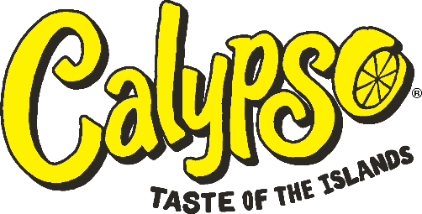

EXW SPAIN
EAN | CALYPSO LEMONADES Product Description | Labeling Text Origin Factory BBD | Net Weight Unit | Pieces/Box | Boxes/Pallet | Pieces/Pallet | Prices for MOQ 1 FCL | Picture
TBC | CALYPSO® Original Lemonade 473ml (16oz) Glass Bottle | EN / ES / PT SPAIN 12-15mo | 473g | 12 | 108 | 1296 | 1.530 €
TBC | CALYPSO® Triple Melon Lemonade 473ml (16oz) Glass Bottle | EN / ES / PT SPAIN 12-15mo | 473g | 12 | 108 | 1296 | 1.530 €
TBC | CALYPSO® Kiwi Lemonade 473ml (16oz) Glass Bottle | EN / ES / PT SPAIN 12-15mo | 473g | 12 | 108 | 1296 | 1.530 €
TBC | CALYPSO® Ocean Blue Lemonade 473ml (16oz) Glass Bottle | EN / ES / PT SPAIN 12-15mo | 473g | 12 | 108 | 1296 | 1.530 €
TBC | CALYPSO® Tropical Mango Lemonade 473ml (16oz) Glass Bottle | EN / ES / PT SPAIN 12-15mo | 473g | 12 | 108 | 1296 | 1.530 €
TBC | CALYPSO® Strawberry Lemonade 473ml (16oz) Glass Bottle | EN / ES / PT SPAIN 12-15mo | 473g | 12 | 108 | 1296 | 1.530 €
TBC | CALYPSO® Cucumber Lemonade 473ml (16oz) Glass Bottle | EN / ES / PT SPAIN 12-15mo | 473g | 12 | 108 | 1296 | 1.530 €
TBC | CALYPSO® Island Wave Lemonade 473ml (16oz) Glass Bottle | EN / ES / PT SPAIN 12-15mo | 473g | 12 | 108 | 1296 | 1.530 €
TBC | CALYPSO® Paradise Punch Lemonade 473ml (16oz) Glass Bottle | EN / ES / PT SPAIN 12-15mo | 473g | 12 | 108 | 1296 | 1.530 €
TBC | CALYPSO® Pineapple Peach Lemonade 473ml (16oz) Glass Bottle | EN / ES / PT SPAIN 12-15mo | 473g | 12 | 108 | 1296 | 1.530 €
TBC | CALYPSO® Southern Peach Lemonade 473ml (16oz) Glass Bottle | EN / ES / PT SPAIN 12-15mo | 473g | 12 | 108 | 1296 | 1.530 €

The pictures of the packages may differ from real and to be deliver ones according to the decision of the manufacturer.
Price: net/net, subject to confirmation
Terms of delivery: EXW Spain
Terms of payment: (30% pre-payment deposit, balance with pre-advice) per bank transfer on our bank account
Note we charge 13€ per Euro pallet.
No certificates available

